Indices

 | Iraq Stock Exchange
 | Bulletin No (51)
 | ISX Trading Indices of Tuesday 24/3/2026

 | Traded Volume and OTC |  | 564,575,131 |  | Traded Value and OTC |  | 629,365,963 |  | Traders | 803

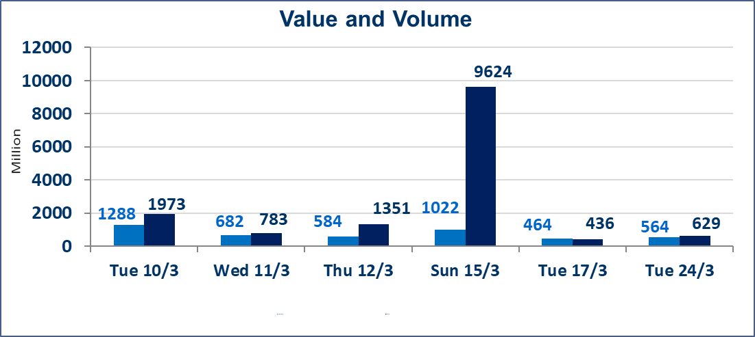
 | ISX Index 60 |  |  | 978.93 | ISX Index 15 |  |  | 1232.08
 | Previous ISX Index60 |  |  | 984.50 | Previous ISX Index15 |  |  | 1234.88
 | Change % |  |  | -0.57 | Change % |  |  | -0.23
 | Change |  |  | -5.57 | Change |  |  | -2.80

 | Listed Companies | 104 | OTC | 14 | Non Traded listed | 40 | OTC | 12
 | Traded Listed Companies | 49 | OTC | 2 | Higher Companies |  |  | 9
 | GAM Companies |  |  | 5 | Lower Companies |  |  | 15
 | Suspended Companies |  |  | 10
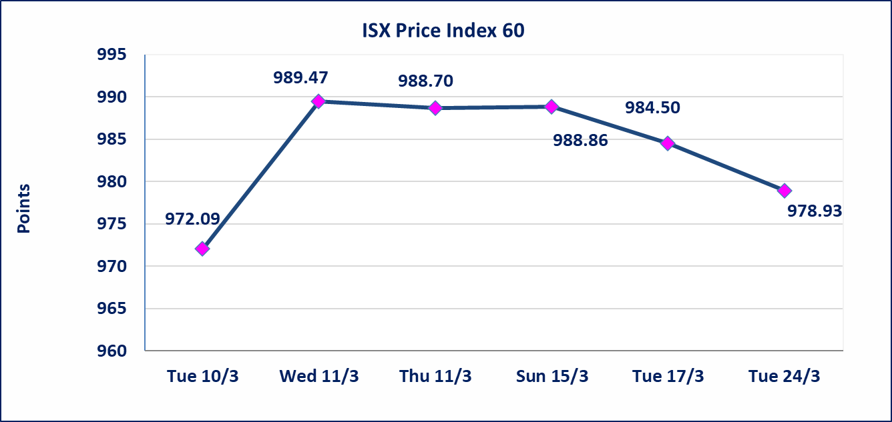
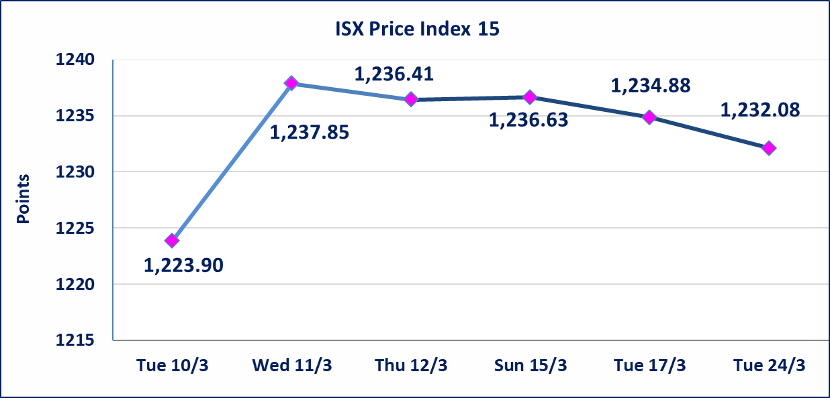

Al-Alwiya P.O . 3607 Mobile: 07711211522 - 07270094594 - 07834000034 E-mail: info-isx@isx-iq.net Web site:www.isx-iq.net

Top 5
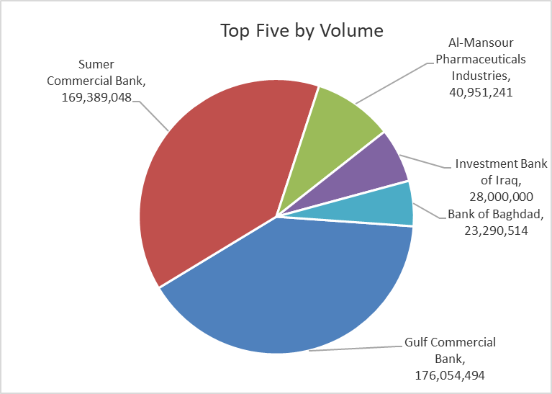
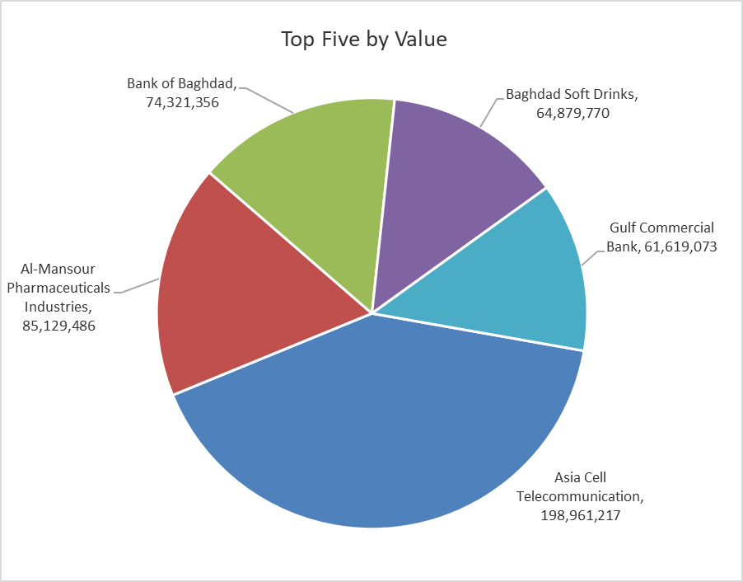

ISX top ganing and losing companies
Tuesday 24/3/2026
 | Gainers |  |  |  | Losers
 | Company Name | Closing Price | Change (%) | Traded Volume | Company Name | Closing Price | Change (%) | Traded Volume
 | Mosul Bank For Investment | 0.140 | 7.69 | 25,000 | Agricultural Products Meat | 4.370 | -4.79 | 382,482
 | Al-Hamraa for Insurance | 5.090 | 4.95 | 15,000 | Iraqi Carton Manufactories | 2.630 | -4.71 | 927,413
 | Ashour Hotel | 30.850 | 4.93 | 1,000 | Modern Construction Materials | 1.300 | -4.41 | 500,000
 | AL-Badia for General Trans | 0.870 | 4.82 | 150,000 | Ashur International Bank | 0.230 | -4.17 | 3,850,000
 | Al-Khatam Telecom | 3.650 | 4.58 | 189,859 | Babil Animal & Vegetable Production | 6.840 | -3.66 | 5,000
 | The most active companies in term of traded volume and value

 | Traded Volume |  |  |  | Traded Value
 | Company Name | Closing Price | Change (%) | Traded Volume | Company Name | Closing Price | Change (%) | Traded Value
 | Gulf Commercial Bank | 0.350 | 0.00 | 176,054,494 | Asia Cell Telecommunication | 14.800 | -0.34 | 198,961,217
 | Sumer Commercial Bank | 0.160 | 0.00 | 169,389,048 | Al-Mansour Pharmaceuticals Industries | 2.080 | -1.42 | 85,129,486
 | Al-Mansour Pharmaceuticals Industries | 2.080 | -1.42 | 40,951,241 | Bank of Baghdad | 3.160 | -3.36 | 74,321,356
 | Investment Bank of Iraq | 0.220 | 0.00 | 28,000,000 | Baghdad Soft Drinks | 5.830 | 0.87 | 64,879,770
 | Bank of Baghdad | 3.160 | -3.36 | 23,290,514 | Gulf Commercial Bank | 0.350 | 0.00 | 61,619,073

Not Trading Bonds

Iraq Stock Exchange
Tuesday 24/3/2026
Not Trading Bonds Bulletin
Bond type | Publish type | Code | last trading price | immortilize date
Banaa Bonds /Million ID | Second | CB20 | 964,981 | 19/12/2025
Eamar Bonds /Million ID | First | CB30 | 1,001,095 | ــــــــــــــــ
Eamar Bonds /Million ID | Second | CB40 | ــــــــــــــــ | ــــــــــــــــ
Eamar Bonds /500 Thousand ID | Third | CB45 | ــــــــــــــــ | ــــــــــــــــ
Eamar Bonds /Million ID | Third | CB50 | ــــــــــــــــ | ــــــــــــــــ
Injaz Bonds /500 Thousand ID | First | CB55 | ــــــــــــــــ | ــــــــــــــــ
Injaz Bonds /Million ID | First | CB60 | ــــــــــــــــ | ــــــــــــــــ
Injaz Bonds /500 Thousand ID | Second | CB65 | 503,793 | ــــــــــــــــ
Injaz Bonds /Million ID | Second | CB70 | 1,026,082 | ــــــــــــــــ
Injaz Bonds /500 Thousand ID | Third | CB75 | ــــــــــــــــ | ــــــــــــــــ
Injaz Bonds /Million ID | Third | CB80 | 978,182 | ــــــــــــــــ
National Bonds/Million ID | First | CB90 | ــــــــــــــــ | ــــــــــــــــ
National Bonds/500 Thousand ID | Second | CB95 | ــــــــــــــــ | ــــــــــــــــ
National Bonds/Million ID | Second | CB100 | ــــــــــــــــ | ــــــــــــــــ

